BugReport
Summary: | [Android] [Image] [Overlap] [CSS] [Responsive] Image is overlapping text
Description: | When User uses Android mobile to visit page, it is noticed that image below the text and above the "PRIJAVA" button is overlapping text so the User cannot see all information.
 | The overlap may be the result of how Android OS interprets CSS code, as it is noticed that when observing the same page using same browser (Chrome) on Desktop, no signs of overlaping occurs.
 | This issue can affect the apperance of the page on other devices with Android OS or devices with smaller screens.
 | The same issue can be noticed on two subpages of the same website which can be accesed on following URLs: https://itbootcamp.rs/course/testiranje-softvera-qa/ https://itbootcamp.rs/course/osnove-programiranja-java/
Steps to reproduce:
1 | Open Chrome browser on Android device
2 | Go to URL "https://itbootcamp.rs/"
3 | Click on dropdown menu in the right upper corner which is presented as icon with three lines
4 | Click on the the angle bracket sign at the right end of on the "Kursevi" line
5 | Clik on "Testiranje softvera (QA)"
6 | Scroll down the screen until the image below the text and on top of "PRIJAVA" button is seen
7 | Observe the part of the screen where text ends and image begins
Expected result: | There is a space between the end of the text and the image and User can see whole text
Actual result: | Image is overlaping text and User cannot see whole text
Priority: | Medium
Severity: | Low
Repro rate: | 100%
Environment: | Production
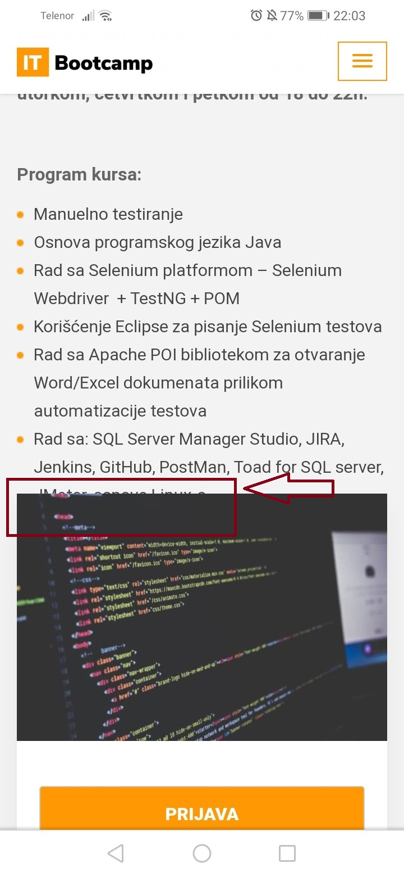
Screenshot: | Referring to URL https://itbootcamp.rs/course/testiranje-softvera-qa/ | Referring to URL https://itbootcamp.rs/course/osnove-programiranja-java/

